Sheet0
Canva Tips
Use = (equal sign) to explore formulas. Generate complex formulas using simple instructions with Magic Formulas.
Italicized entries contain formulas. Use as is or customize them as needed.
Select Actions to add date pills and dropdowns, and unlock more features!
Financial KPI Dashboard
For monitoring the company’s monthly financial health and performance

Month | Projected Revenue | Actual Revenue | Difference | Variance % | Operating Expenses | Net Profit | Profit Margin | Summary
January | $20,000.00 | $18,500.00 | -1500 | -7.50% | $15,000.00 | $3,500.00 | 18.92% | Actual Revenue | 378000
February | $22,000.00 | $23,000.00 | 1000 | 4.55% | $16,000.00 | $7,000.00 | 30.43% | Operating Expenses | 218500
Revenue Distribution
Projected vs Actual Revenue
Net Profit Summary
March | $25,000.00 | $24,500.00 | -500 | -2.00% | $17,000.00 | $7,500.00 | 30.61% | Net Profit | 159500
April | $30,000.00 | $32,000.00 | 2000 | 6.67% | $18,000.00 | $14,000.00 | 43.75%
May | $28,000.00 | $27,000.00 | -1000 | -3.57% | $16,500.00 | $10,500.00 | 38.89%
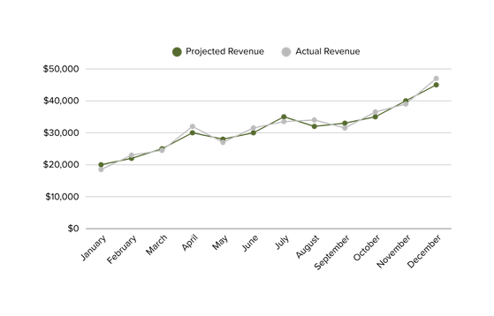
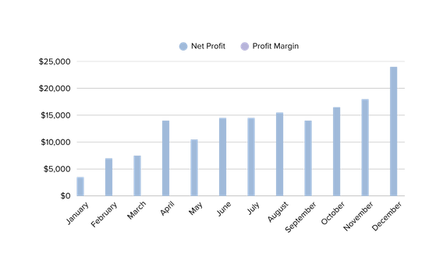
June | $30,000.00 | $31,500.00 | 1500 | 5.00% | $17,000.00 | $14,500.00 | 46.03%
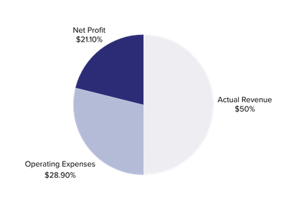
July | $35,000.00 | $33,500.00 | -1500 | -4.29% | $19,000.00 | $14,500.00 | 43.28%
August | $32,000.00 | $34,000.00 | 2000 | 6.25% | $18,500.00 | $15,500.00 | 45.59%
September | $33,000.00 | $31,500.00 | -1500 | -4.55% | $17,500.00 | $14,000.00 | 44.44%
October | $35,000.00 | $36,500.00 | 1500 | 4.29% | $20,000.00 | $16,500.00 | 45.21%
November | $40,000.00 | $39,000.00 | -1000 | -2.50% | $21,000.00 | $18,000.00 | 46.15%
December | $45,000.00 | $47,000.00 | 2000 | 4.44% | $23,000.00 | $24,000.00 | 51.06%
Total | 375000 | 378000 | 3000 | 0.80% | 218500 | 159500 | 42.20%

