Sheet0
CAMPAIGN TRACKER
Campaign Duration: | 2030-01-01 | to | 2030-03-31
 |  |  |  |  |  |  |  |  |  |  |  |  |  |  |  |  | Total ad spend to date
 |  |  |  |  |  |  |  |  |  |  |  |  |  |  |  |  | Average engagement rate
 |  |  |  |  |  |  |  |  |  |  |  |  |  |  |  |  | Best performing day

Campaign name or ID | Thumbnail | Channel |  | Date posted | Campaign status | Ad spend | Reach | Engagement | Link Clicks | Cost per Click | Purchase | Revenue from Purchase | Engagement Rate | Click-Through Rate (CTR) | Click-to-Engagement Ratio | Purchase Rate (Conversion Rate) | Return on Ad Spend (ROAS) | Performance | Summary |  |  | Platform Performance
Event Teaser |  | Instagram |  | 2030-01-03 | ✅ Completed | $750.00 | 10,000 | 1,200 | 900 |  | 50 | $2,100.00 |  |  |  |  |  | ⚖️ Average | Performance Metrics | Current | Target | Content | Reach-to-Purchase Ratio
About the Speakers |  | Tiktok |  | 2030-01-10 | ✏️ In progress | $800.00 | 15,000 | 1,800 | 1,500 |  | 120 | $3,000.00 |  |  |  |  |  | ❤️ Great | Reach |  | 150,000 | Instagram
Event Walkthrough Video |  | Facebook |  | 2030-01-15 | ✏️ In progress | $1,500.00 | 22,000 | 2,700 | 2,100 |  | 200 | $2,700.00 |  |  |  |  |  | ⏳ Not rated | Engagement |  | 15,000 | Tiktok
 |  |  |  |  |  |  |  |  |  |  |  |  |  |  |  |  |  |  | Link Clicks |  | 10,000 | Facebook
 |  |  |  |  |  |  |  |  |  |  |  |  |  |  |  |  |  |  | Return Metrics | Current | Target | Assumptions
Canva Tips
Use = (equal sign) to explore formulas. Generate complex formulas using simple instructions with Magic Formulas.
Italicized entries contain formulas. Use as is or customize them as needed.
Select Actions to add date pills and dropdowns, and unlock more features!
 |  |  |  |  |  |  |  |  |  |  |  |  |  |  |  |  |  |  | Ad Spend |  | $10,000.00 | High performance | >5%
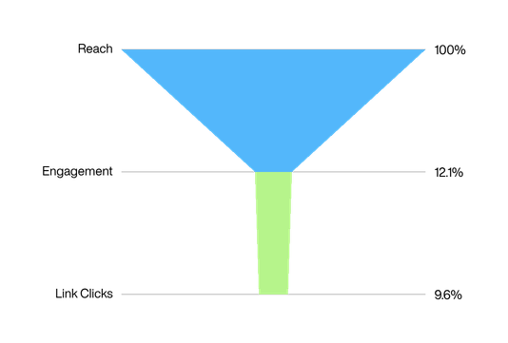
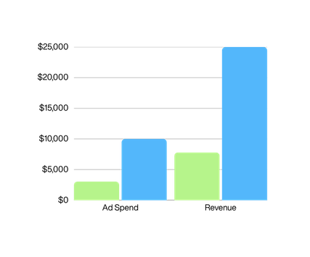
 |  |  |  |  |  |  |  |  |  |  |  |  |  |  |  |  |  |  | Revenue |  | $25,000.00 | Good | 2-5%
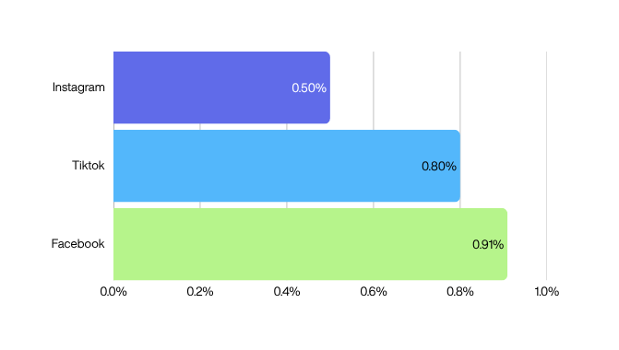
 |  |  |  |  |  |  |  |  |  |  |  |  |  |  |  |  |  |  | Purchase |  | 1,500 | Low | <2%

