Sheet0
COMPETITOR ANALYSIS
Market Share |  |  |  | Price vs Revenue ($M) |  |  |  |  |  | Social Media Followers
Though we have the biggest market share, we don’t enjoy market dominance |  |  |  | We have the highest price and revenue margins, but have lower profits |  |  |  |  |  | Growing our social media presence can boost profits cost-effectively |  |  | 

 | Product details |  |  |  |  | Marketing Insights |  |  | SWOT Analysis
 | Company Name | Key Features | Price per unit | Revenue ($M) | Profit ($M) | Target Market | Market Share | Social Media Followers | Strengths | Weakneses | Opportunities | Threats
YOUR COMPANY | Premium Pet Co. | Organic ingredients, grain-free, premium packaging | $25.00 | $120.00 | $20.00 | Premium pet owners, health-conscious buyers | 35.00% | 100,000 | High-quality ingredients, strong brand reputation | Expensive, limited target market | Expand into international markets, Introduce mid-range product line | Competitors introducing premium options at lower prices
 | Balanced Pet Food | Affordable, balanced nutrition, wide availability | $20.00 | $85.00 | $35.00 | Budget-conscious pet owners, families | 28.00% | 50,000 | Affordable pricing, excellent distribution network | Less focus on premium options | Develop premium product line, Enhance digital marketing strategy | Increased competition in the affordable segment
YOUR COMPETITORS | Special Pets | Specialized for senior pets, vet-recommended, high protein | $18.00 | $60.00 | $30.00 | Senior pet owners, specialty market | 22.00% | 400,000 | Targeted niche market, recommended by vets | Limited marketing reach, higher price for niche products | Broaden marketing reach, Partner with veterinary clinics | Larger brands entering the niche senior pet food market
 | Low-cost Pet Food | Budget-friendly, locally sourced, variety of flavors | $15.00 | $40.00 | $22.00 | Local buyers, price-sensitive customers | 15.00% | 350,000 | Low pricing, local community support | Lacks premium offerings, lower brand awareness | Strengthen local brand loyalty, Offer healthier budget options | Difficulty competing with larger, more recognized brands

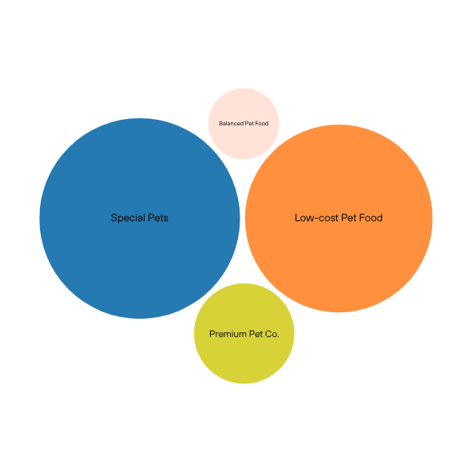

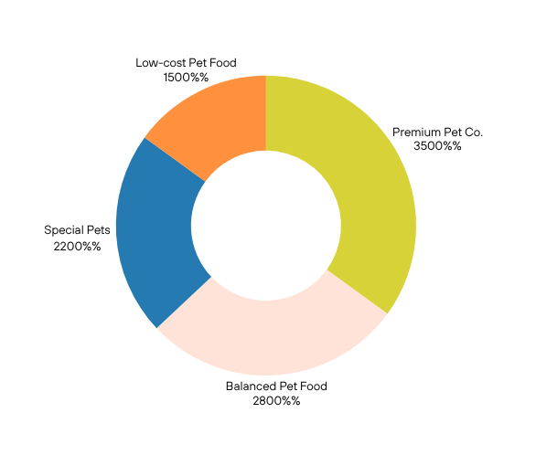
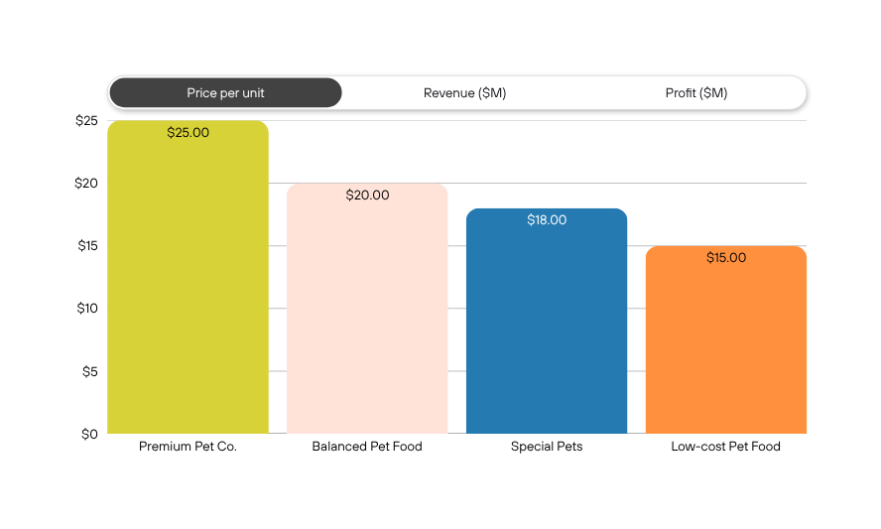

Canva Tip: These charts are linked to the data in the Sheet. Select the chart to change the data selection or settings.

