Sheet0
BUDGET TRACKER
Inclusive dates: | 2030-01-01 | 2030-03-31 |  | Total budget: |  | Running balance:
 |  |  |  |  |  | Expenses |  |  | Income

Date | Item | Category | Type | Amount | Logged by | Expense Summary | Actual spend | Budget allocated | Remaining budget
2030-01-03 | Monthly rent | Rent and utilities | 💰 Expense | $2,000.00 |  | Administrative costs |  | $4,000.00
2025-03-03 | 10 units sold | Income from sales | 💵 Income | $3,000.00 |  | Rent and utilities |  | $2,500.00
2030-01-08 | Social media spend | Marketing and ads | 💰 Expense | $300.00 |  | Taxes |  | $1,500.00
2030-01-09 | Payroll | Administrative costs | 💰 Expense | $3,500.00 |  | Marketing and ads |  | $1,000.00
2030-01-10 | Accountant’s fees | Professional services | 💰 Expense | $350.00 |  | Professional services |  | $500.00
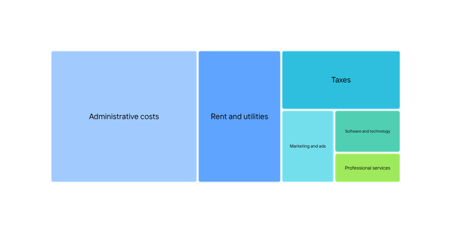
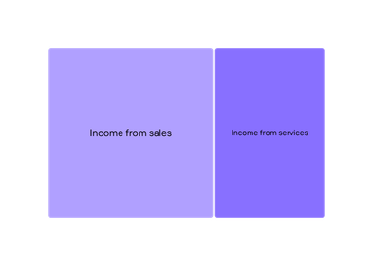
2025-03-11 | Professional fees collected | Income from services | 💵 Income | $5,000.00 |  | Software and technology |  | $500.00
2030-01-12 | Canva subscription | Software and technology | 💰 Expense | $13.00 |  | Totals
2030-01-15 | Income tax | Taxes | 💰 Expense | $500.00
2030-01-17 | Business cards | Marketing and ads | 💰 Expense | $100.00 |  | Income Summary | Amount collected | Tally | Actual | Planned
2030-01-17 | Print flyers | Marketing and ads | 💰 Expense | $300.00 |  | Income from sales |  | Income |  | $15,000.00
2030-01-17 | Excise/industry taxes | Taxes | 💰 Expense | $775.00 |  | Income from services |  | Expense
2030-01-17 | 15 units sold | Income from sales | 💵 Income | $4,500.00 |  | Totals |  | Balance
2030-01-19 | Software and subscriptions | Software and technology | 💰 Expense | $500.00
 | Log other items as you go
 | Add rows as needed

